Sheet1
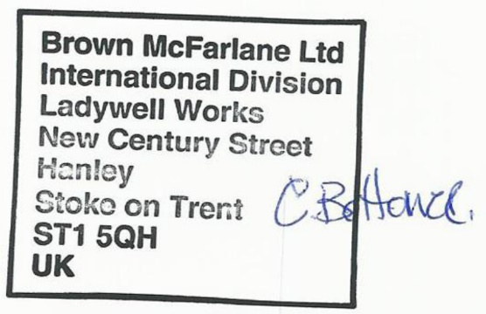
SUPER MATERIALS ONE MEMBER COMPANY LIMITED
Tax Code. 0315502282 | Postal Code. 700000
A. 187/7 Dien Bien Phu Street, Da Kao Ward, District 1, Ho Chi Minh City, Vietnam
T. +84 98 9944 746 | F. -
E. purchasing@ss-materials.com | W. www.ss-materials.com
PURCHASE ORDER
PO No.: SM-BROWNMC/210819
Date: Aug 21, 2019
FROM: SUPER MATERIALS ONE MEMBER COMPANY LIMITED A. 187/7 Dien Bien Phu Street, Da Kao Ward, District 1, Ho Chi Minh City, Vietnam T. +84 98 9944 746 | F. - |  |  |  | TO: BROWN MCFARLANE LTD. A. Ladywell Works, New Century Street, Hanley, Stoke-on-Trent, Staffordshire, ST1 5QH, United Kingdom T. +44 1782 210 545 | M. +44 7557 267 420 Attn: Oliver Gidman

Thank you for your offer, we are pleased to ORDER the following materials:

No. | Items and Description |  |  | Quantity (Pc) | Total Weight (Kg) | Unit Price (EURO/pc) | Total Price (EURO)
1 | Plate S890QL |  |  | 1 | 628 | 2,208.00 | 2,208.00
 | Mill Origin: ArcelorMittal / Industeel Belgium
 | Product No.: 162183001
 | Inspection Lot No.: 162183.5001
 | Dimension: 2000 x 1000 x 40.0mm
2 | PACKING CHARGE |  |  | 1 | - | - | 240.00
TOTAL |  | EXW Stoke on Trent, UK |  |  | EURO |  | 2,448.00

* Lead time: |  |  | 10 to 12 working days.
* Delivery term: |  |  | EXW Stoke on Trent, UK.
* Payment: |  |  | 100% in advance.
* Required documents: |  |  | Mill Test Certificates, Commercial Invoice, Packing List.
* Packing & marking: |  |  | ISPM 15 Case; In case material is cut from a big plate, please mark Heat No., Material Grade (name), Dimension, Mill Maker and Origin by stencil on surface of steel plate; Send us pictures about materials after packing through email.

*Please do not attach any required documents mentioned above in/on the cargo. Send these original documents to us by air express. **All bank charges inside Vietnam are covered by Buyer and all bank charges outside Vietnam has to be covered by Seller.

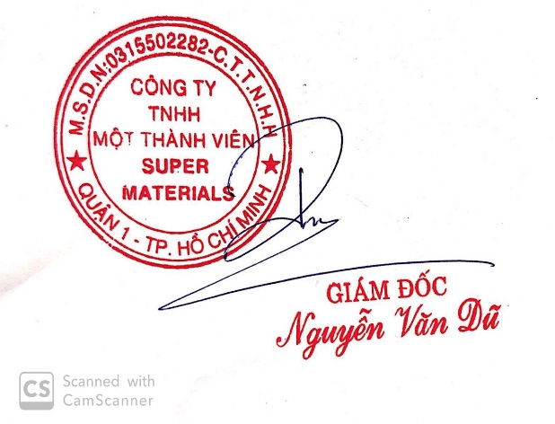
CONFIRMATION OF BUYER |  |  |  | CONFIRMATION OF SELLER

